Sept-2025
 | ACTUAL (MW) | ACTUAL (MW) | SCH (MW) | ACTUAL (MW) | ACTUAL (MW) | SCH (MW)
 | 1184 | 1184 | 1726 | 1184 | 1184 | 1726
 | 1105 | 1105 | 1657 | 1105 | 1105 | 1657
 | 1087 | 1087 | 1631 | 1087 | 1087 | 1631
 | 1149 | 1149 | 1705 | 1149 | 1149 | 1705
 | 1298 | 1298 | 1729 | 1298 | 1298 | 1729
 | 1376 | 1376 | 1706 | 1376 | 1376 | 1706
 | 1489 | 1489 | 1997 | 1489 | 1489 | 1997
 | 1852 | 1852 | 2069 | 1852 | 1852 | 2069
 | 2015 | 2015 | 2113 | 2015 | 2015 | 2113
 | 2082 | 2082 | 2272 | 2082 | 2082 | 2272
 | 2217 | 2217 | 2335 | 2217 | 2217 | 2335
 | 2168 | 2168 | 2362 | 2168 | 2168 | 2362
 | 2077 | 2077 | 2292 | 2077 | 2077 | 2292
 | 2028 | 2028 | 2221 | 2028 | 2028 | 2221
 | 1857 | 1857 | 2180 | 1857 | 1857 | 2180
 | 1673 | 1673 | 2166 | 1673 | 1673 | 2166
 | 1591 | 1591 | 2146 | 1591 | 1591 | 2146
 | 1486 | 1486 | 2054 | 1486 | 1486 | 2054
 | 1147 | 1147 | 1968 | 1147 | 1147 | 1968
 | 1189 | 1189 | 2005 | 1189 | 1189 | 2005
 | 1145 | 1145 | 1873 | 1145 | 1145 | 1873
 | 1159 | 1159 | 1751 | 1159 | 1159 | 1751
 | 1326 | 1326 | 1788 | 1326 | 1326 | 1788
 | 1243 | 1243 | 1638 | 1243 | 1243 | 1638

Note: Due to error in generated UI report, above trend curve is drawn by using hourly load details. i.e. from Block No. 01 to 65 are missing in generated UI report and also SCH data freezed from 00:00 Hrs to 11:15 Hrs

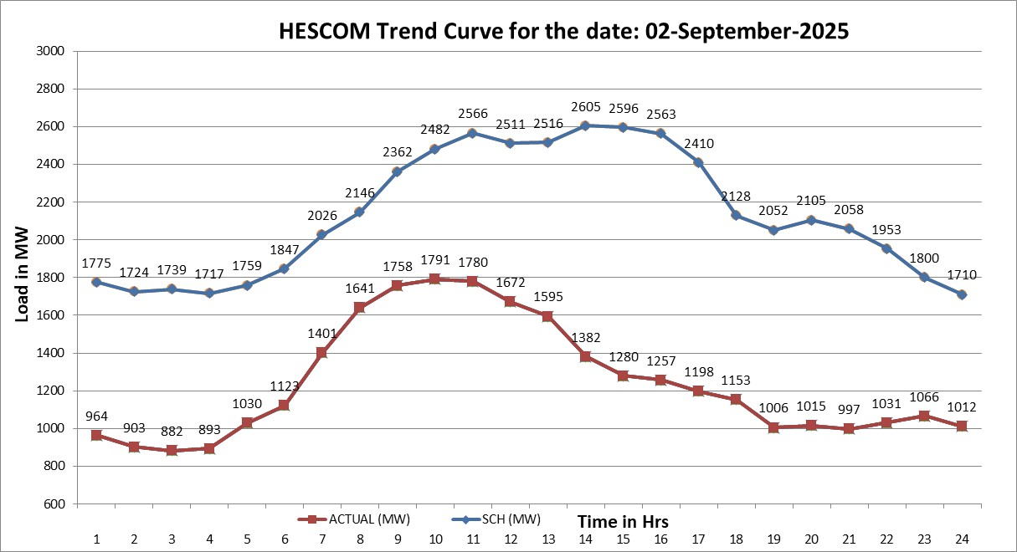

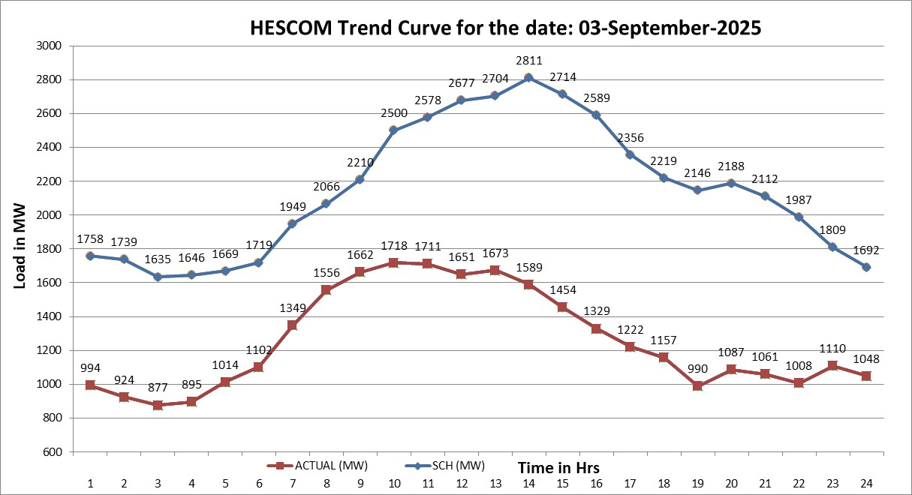

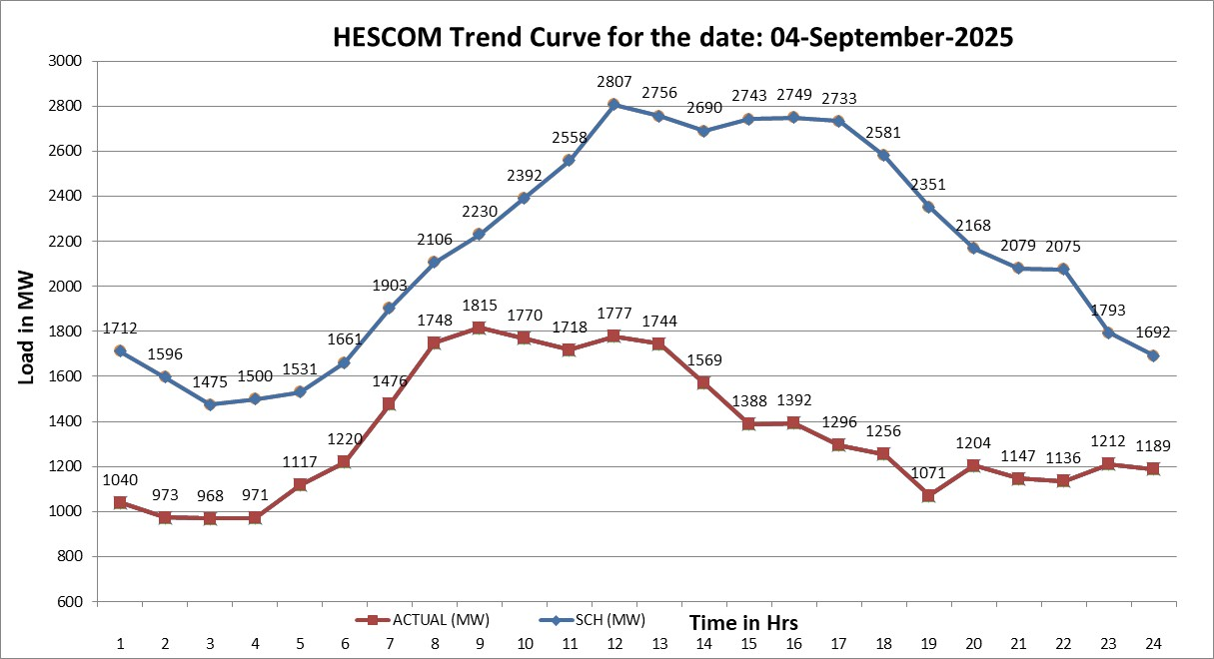

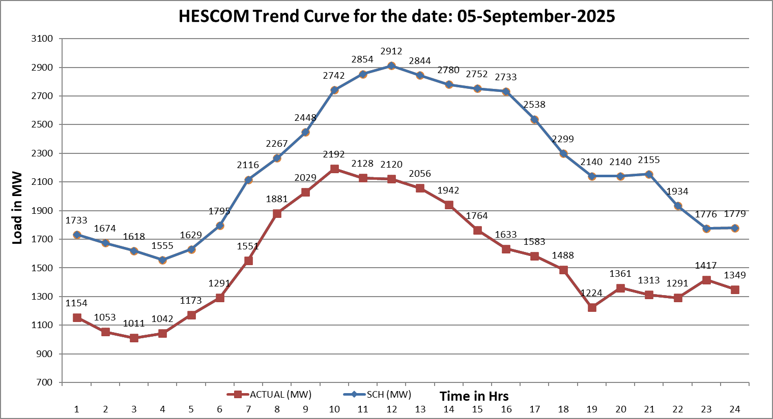

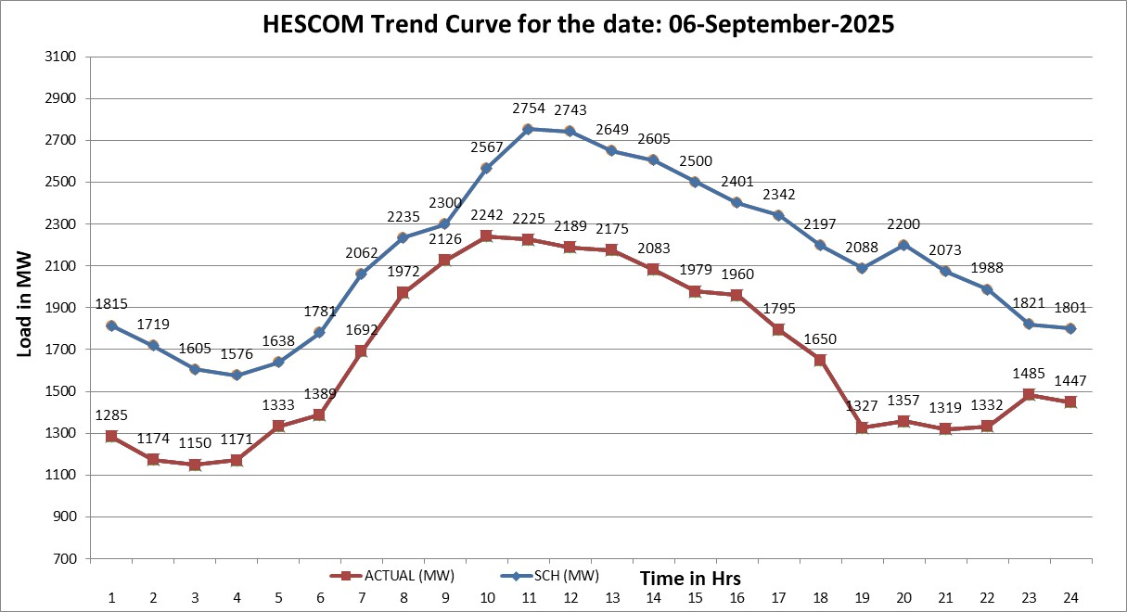

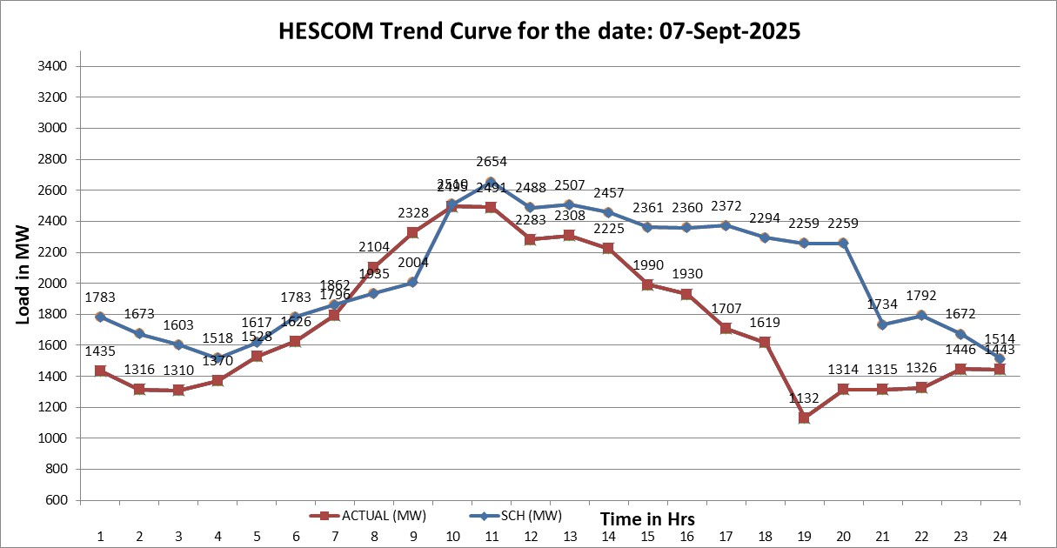

Note: Due to error in generated UI report, above trend curve is drawn by using hourly load details. i.e. from Block No. 72 to 79 are missing in generated UI report
